Instructions
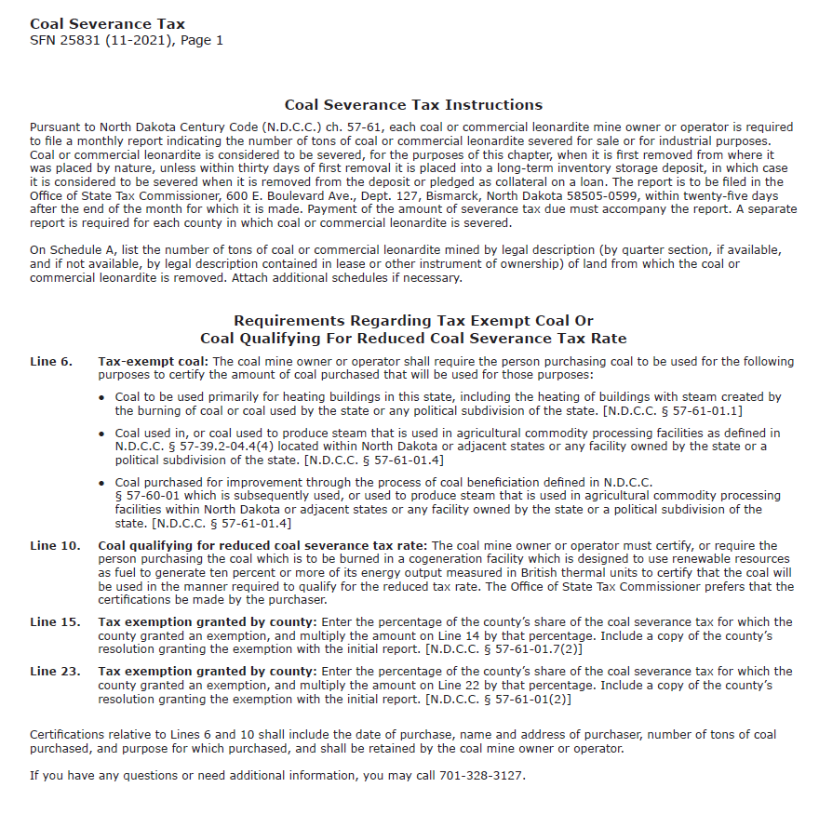
Click on the image of the instructions below. The instruction document will open in your web browser.

